Assets Guildeline
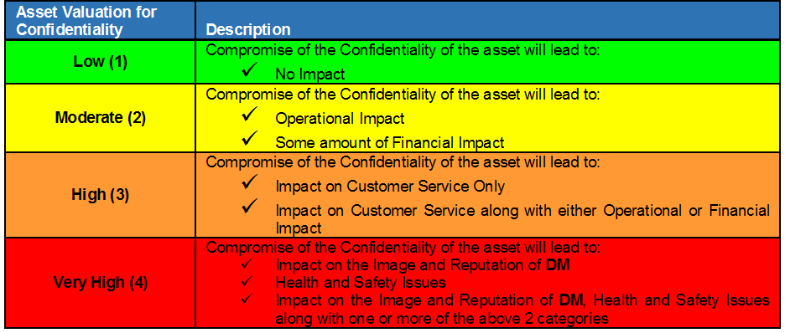
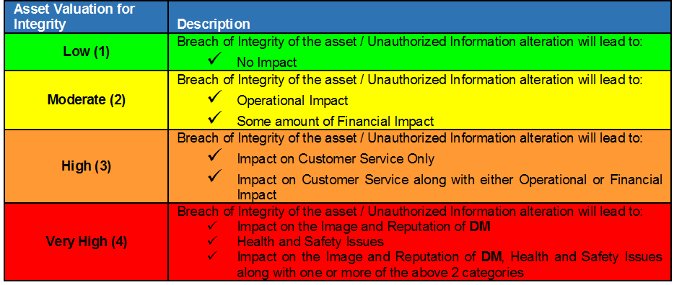
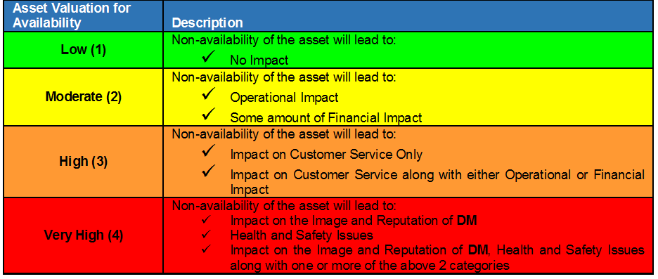
Asset Identification, Classification & Valuation Approach

Asset Categories:
Physical (Equipment / Hardware): This would include equipment with processing (input, processing, output), ICT Equipment, Computer equipment (processors, monitors, laptops, modems, printers etc.), Communication equipment (Network devices, EPABX, Fax machines etc.), Media (Tapes, Disks, CDs) etc.
Information (Digital): Scanned or Automated format, Machine readable, Database, Data files, Operational & Support Documents, Intellectual Property Rights, etc..
Information (Hard Copies / Paper): User Manuals, License, Contracts, Agreements, Drawings, Operational & Support Procedures, etc.
Software: This would include Application software, System software, Development tools & Utilities, Network monitoring tools etc., Software packages owned by the department (not IT Dept)
Services: This would include various business services provided by the information assets.
People / Personnel [Human Resources (HR)]: This would include personnel required to support and run other assets such as Administrators, Developers, Department/section/unit head, Support staff, etc. under the Department.
Note: While identifying the above assets, details such as, physical location, license details, business value, and any other necessary information that may be required to avoid risks and recover from disasters shall be considered.

Confidentiality:
Definition: A concept that applies to organization's information assets that must be held in confidence and indicates a level of protection that must be provided to assets to prevent unauthorized disclosure.
If the confidentiality of asset is compromised, the impact on the organization needs to be understood/estimated by the asset owner. Based on the sensitivity of the asset, confidentiality characteristic of an asset has to be rated as Low(1), Moderate(2), High(3) & Very High(4), in ascending order of the impact.
Integrity:
Definition: A characteristic applying to organization's information assets that provides assurance, under all conditions, that the asset has not been altered without authorization
If the integrity of asset is compromised, the impact on the organization needs to be understood/estimated by asset owner. Based on the sensitivity of the asset, integrity characteristic of an asset has to be rated as Low(1), Moderate(2), High(3) & Very High(4), in ascending order of the impact.
Availability:
Definition: A characteristic that ensures organization's information assets will be available to authorized users when required.
If the asset is not available, the impact on the organization needs to be understood/estimated by asset owner. Based on the sensitivity of the asset, availability attribute of an asset has to be rated as Low(1), Moderate(2), High(3) & Very High(4), in ascending order of the impact. The
availability characteristic will depend on the downtime that can be afforded for the asset.
Asset Owner:
Definition: The term ‘owner’ identifies an individual or entity that has approved management responsibility for controlling the production, development, maintenance, use and security of the asset. The term ‘owner’ does not mean that the person actually has any property rights to
the asset.
Asset Custodian:
Definition: An individual or entity to whom Routine tasks may be delegated and who is looking after the asset on a daily basis, but the responsibility remains with the owner.

Classification Guidelines
Classification | Public | Internal | Confidential
Description | Information available for public disclosure | Information belonging toThe Company and not for disclosure to the public or external parties. It is available toThe Company employees only. | Information that is extremely sensitive within DM, and is intended for business use only by Top management or named individuals or specific departments, Users or Personnel.

Examples | ü Press releases and advertising once approved for issuance. | ü Organization chart | ü Management decisions before the release
 | ü Information on public portions of the website | ü Employee contact details | ü Future business roadmap/plans
 | ü The Company Service Brochures | ü General user level policies | ü Financial results prior to release
 |  |  | ü Cryptographic keys
 |  |  | ü Source Codes
 |  |  | ü Business plans
 |  |  | ü Forensics information
 |  |  | ü Price/cost information
 |  |  | ü Strategy Plans/Documents
 |  |  | ü Customer Information
 |  |  | ü Employee information
 |  |  | ü Security Audit reports
 |  |  | ü Internal audit reports
 |  |  | ü Short-term marketing plans
 |  |  | ü Designs and application architecture documents and information
 |  |  | ü System logs
 |  |  | ü Network Details
 |  |  | ü Payment Information
 |  |  | ü Supplier documents and data
 |  |  | ü Design specifications
 |  |  | ü The Company Lab, test results
 |  |  | ü E-service data
Qualitative Impact | No Damage | Limited Damage toThe Company image | Significant Damage (e.g. – Legal or financial liability, Impact on public health and safety, Governmental image and reputation or impact on image of Dubai)
Labeling | No requirements. | Marked top and bottom with the words: | Marked top and bottom with the words:
 |  | INTERNAL | CONFIDENTIAL
 |  |  | All pages must be numbered.
Storage and access on computers, networks and applications | Stored in public folders on the network | Stored in public folders with access control | To be stored in a ‘Secure’ encrypted folders (or password protected) or database. When such data is being transmitted through applications, it shall be ensured that all such applications shall be capable of handling this information in an encrypted form.
 |  | If stored on a laptop or any other mobile device, then required security needs to be applied, such as device security or access control to the control | If stored on a laptop or any other mobile device, then required security needs to be applied, such as device security or content encryption
Storing paper and media | No requirements. | Should be kept in a locked place when the media or hardcopy not in use. | Should be kept in a locked safe (fire safe) when the media or hardcopy not in use.
Copying and Printing | No Restrictions | Data should be printed only when there is a legitimate need. | Data should be printed only when there is a legitimate need.
 |  | Copies must be restricted toThe Company Employees. | Copies must be controlled and restricted to named individuals authorized to access the data.
 |  |  | Data should not be sent to an unattended printer or left unattended on a printer.
Internal distribution of paper or floppies/CDs between offices | Internal memo envelope. | Internal memo envelope. | Sealed envelope with the recipient’s name.
 |  | Can be sent through internal courier. | Can be sent through internal courier.
External distribution of paper or floppies/CDs | Ordinary envelope through public mail system. | Ordinary envelope through trusted (The Company listed) public mail system. | Tamper proof envelope through trusted courier system.
Faxing | Normal use of a fax machine. | System automated products should be considered such as; Right Fax for the transmission & / or receiving of Fax’s. | Right Fax utility or same should be used for sending and receiving faxes
 | Mark fax as: | All the internal communications will be secured through Right Fax Application. | Consider only sending once the intended recipient has been ‘phoned and has confirmed that they are able to collect the fax immediately.
 | UNCLASSIFIED | Mark fax as: | Mark fax as:
 |  | INTERNAL USE ONLY | CONFIDENTIAL
E-mail within network | No requirements. | No requirements. | When Information shared on Email: It is recommended to password protect the emails or attachments.

External e-mail, outside of network | No requirements. | No requirements, however should consider use of password protection of attachments. | When information shared on Email: It is recommended to either password protect or encrypt the content of emails or attachments.
 |  |  | Encryption could be achieved throughThe Company approved encryption technology. Use of Document Passwords and / or Password protection of compression agent is recommended if encryption is not possible.
Destruction of paper | No requirements - recycle where possible. | Should be disposed by shredding. | Should be disposed by shredding.
Destruction of data | No requirements. | Should be degaussed. | Should be degaussed.
Telephones | No requirements. | Do not disclose in public and do not discuss on your mobile phone in public. | Do not disclose in public and do not discuss on your mobile phone in public.
 |  |  | Do not leave information on voicemail.
Awareness requirement | General awareness using Intranet portals | General awareness using Intranet portals | Specific awareness on security and usage of information using emails
Audit | General internal audit | General internal audit | Internal audit with specific focus on security and distribution. Third party assessment can be considered to assess the security

Information Assets Classification
Information Assets available at the DM shall be classified as Confidential, Internal and Public.
Confidential: Information that is sensitive within DM and is intended for use only by specified groups of employees or within selected department(s).
Internal: Non-sensitive information intended for distribution within DM.
Public: Non-sensitive pieces of information that are meant for release to general public.

